Sheet1
COLOR CHART/CHALK

product name | Color name | color index | Available | picture 1 | picture 2 | picture 3 | color in excal
SCHOOL CHALK /JUMBE CHALK /NEON JUMBO CHALH /T R I A N G U L A R CHALK /S Q U A R E CHALK | white | Sodium Bentonite | yes
 | Yellow | Yellow 14 | yes
 | Magenta | Red 57.1 | yes
 | Yellow Green | Green 7/Yellow 14 | yes |  | 
 | Sky Blue | Blue 15:3 | yes
 | Orange | Orange34 | yes
 | Violet | Violet 27 | yes
 | Green | green7 | yes |  |  | 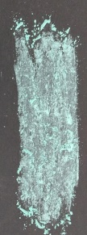
 | Red | Red 112 | yes |  |  | 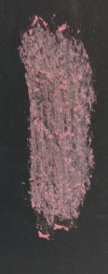
 | Dark Blue | Blue 15:1 | yes |  |  | 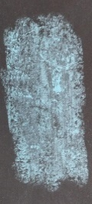
 | Golden Yellow | Iron Oxide Yellow 42 | We don't have we need to take a photo |  | 
 | Olive – Green | Green 7/Orange 34 | We don't have we need to take a photo
 | Brown | Red 57.1/Yellow 14 /Black | Yes
 | Black | Black | yes |  |  | 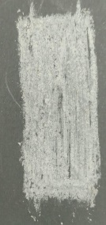
 | yellow neon | yellow neon powder | yes |  |  | 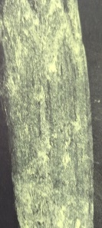
 | Red neon | Red neon powder | yes
 | Green neon | Green neon powder | yes |  |  | 
 | purple neon | purple neon powder | yes |  |  | 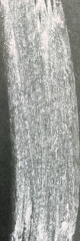
 | blue neon | blue neon powder | yes |  |  | 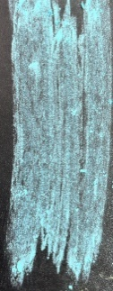
 | orange neon | orange neon powder | yes |  |  | 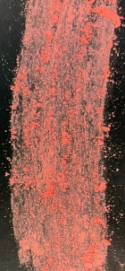
COLOR CHART/CHALK

product name | Color name | color index | Available items | picture 1 | picture 2 | picture 3 | color in excal
Egg chalk | Yellow | Yellow 14 | yes | 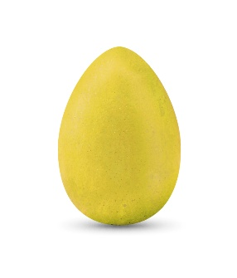
 | Magenta | Red 57.1 | yes | 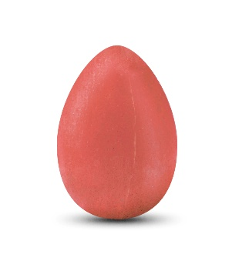
 | Yellow Green | Green 7/Yellow 14 | yes | 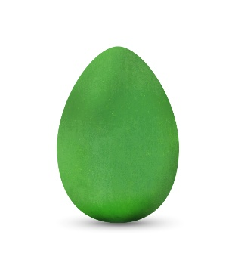
 | Sky Blue | Blue 15:3 | yes | 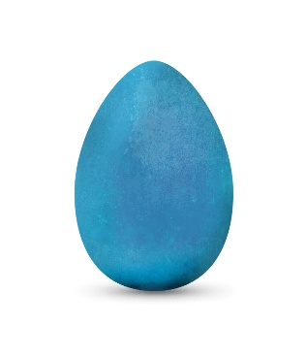
 | Orange | Orange34 | yes | 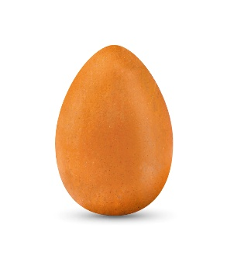
 | Violet | Violet 27 | yes | 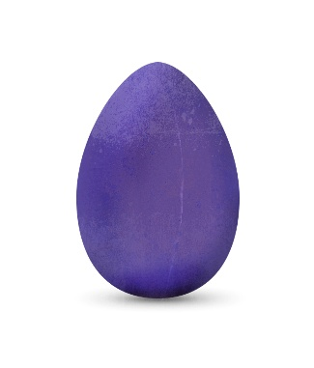 |  | 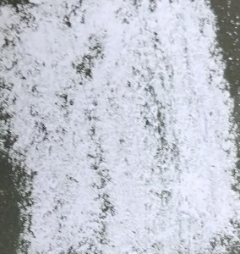
 | Green | green7 | Yes | 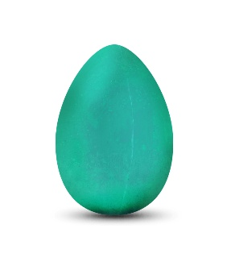
 | Red | Red 112 | Yes | 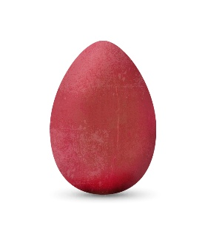 | 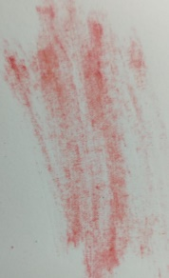 | 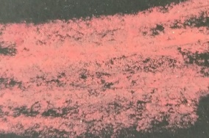
 | Dark Blue | Blue 15:1 | Yes | 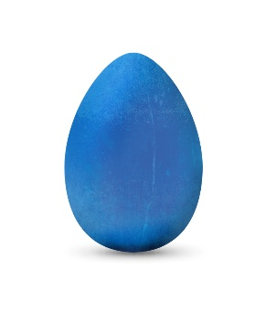 | 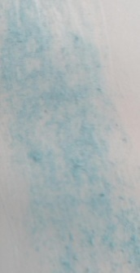 | 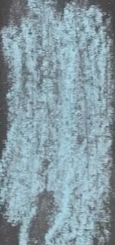
 | Brown | Red 57.1/Yellow 14 /Black | Yes | 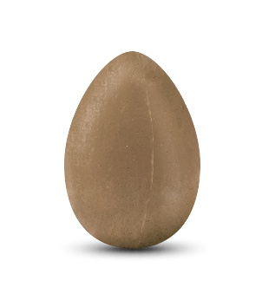
 | Black | Black | Yes | 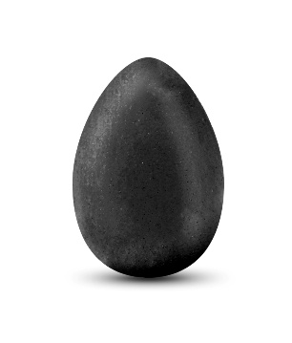 |  | 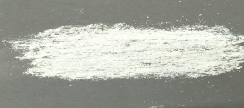
 | white | Gypsum | Yes | 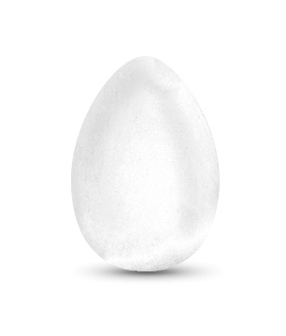 |  | 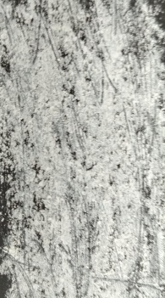
COLOR CHART/Modeling clay

product name | Color name | color index |  | picture 1 |  |  | color in excal
clay | Yellow-2 | Yellow .2 | yes | 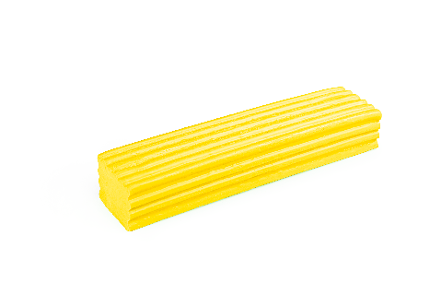
 | Red -1 | Red .1 | yes | 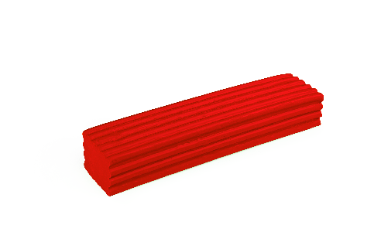
 | Light Green86 | Yellow Green -86 | yes | 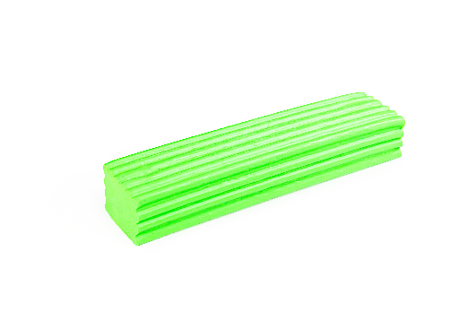
 | Light Blue-62 | Turquoise.62 | yes | 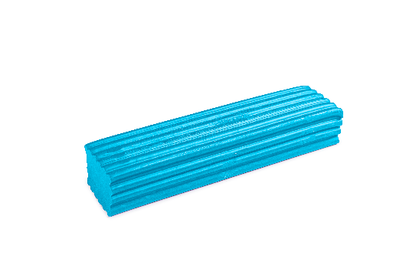
 | Orange- 4 | Orange- 4 | yes | 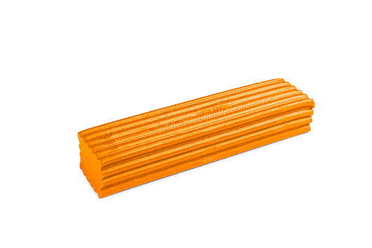
 | Violet-83 | Violet Blue 83 | yes | 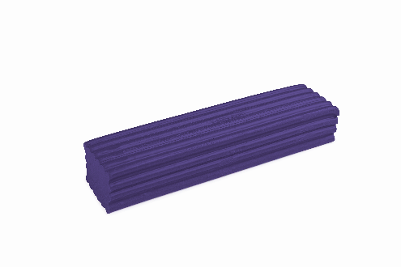
 | Pink- 84 | Rose Pink 84 | yes | 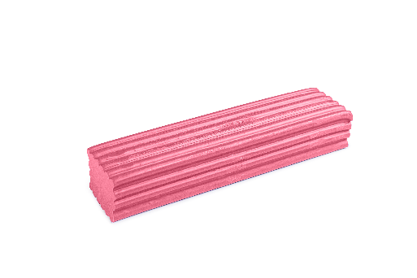
 | Brown-94 Terracotta | Brown 94 | yes | 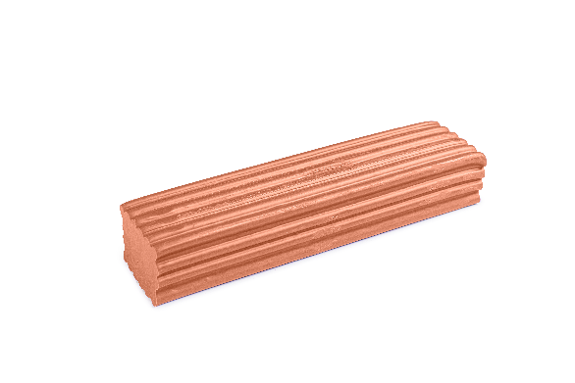
 | Dark Blue-3 | Midnight Blue3 | yes | 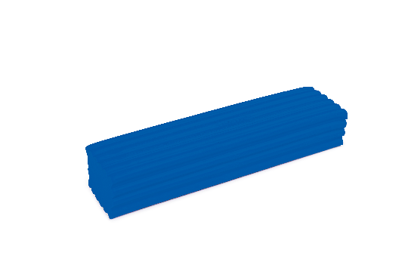
 | Dark green-45 | Pin Green 45 | yes | 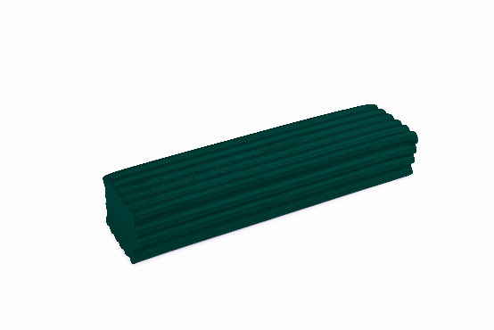
 | Black- 8 | Black . 8 | yes | 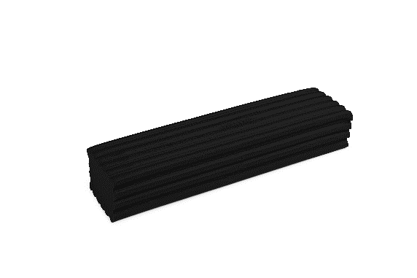
 | White-9 | White 9 | yes | 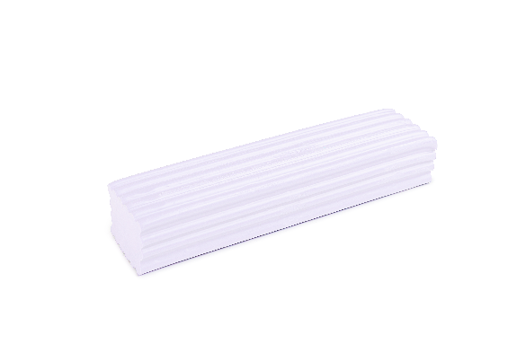
 | Cabalt Blue-39 | Midnight Blue 39 | yes | 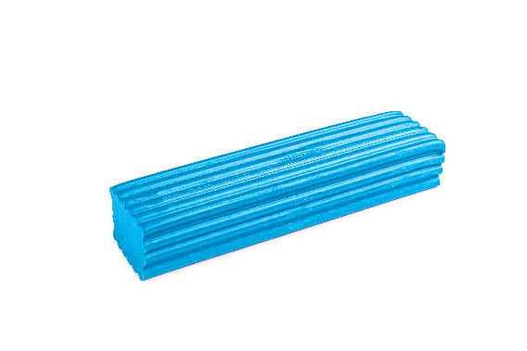
 | Scarlet Red -65 | Magenta 41/Red 1 | yes | 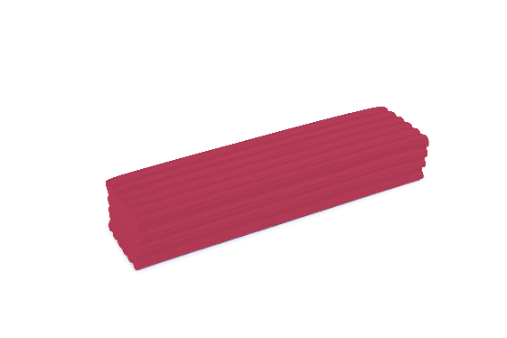
 | (Flesh )peach-96 | Flesh.96 | yes | 
 | Ivory -97 | Ivory97 | yes | 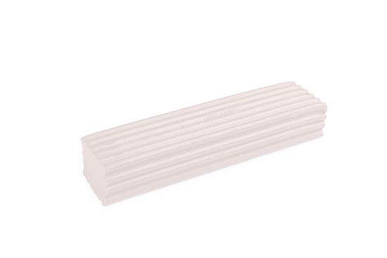
 | Light Brown | Raw Amber 52/Black 9 | yes | 
 | Raw Umber-52 | Raw Umber 52 | yes | 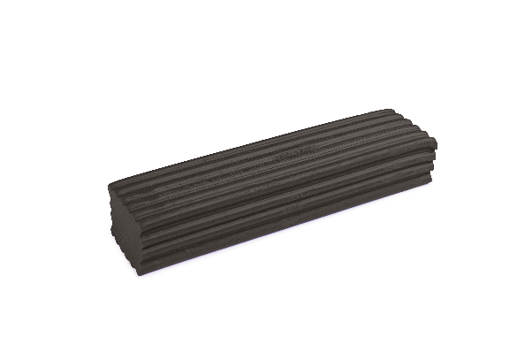
 | Grey | Black 8 | yes | 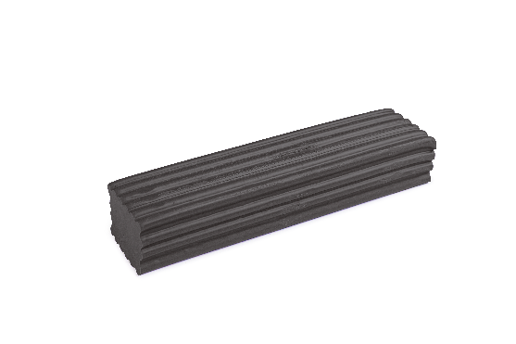
 | Purple -59 | Violet 59 | yes | 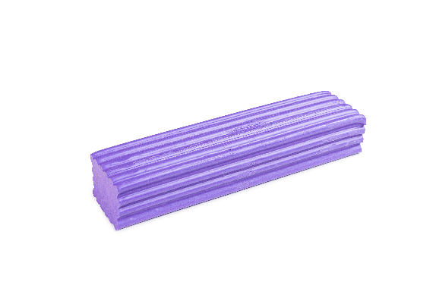
 | Blue Green-Turquoise | Blue Green .14 | yes | 
 | Brown -60 | Brown60 | yes | 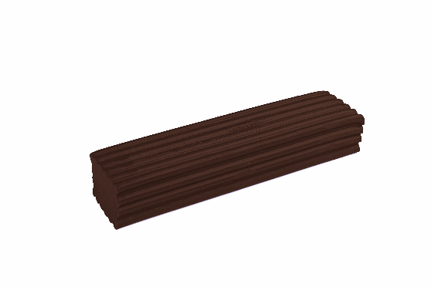
 | Magenta-41 | Magenta 41 | yes | 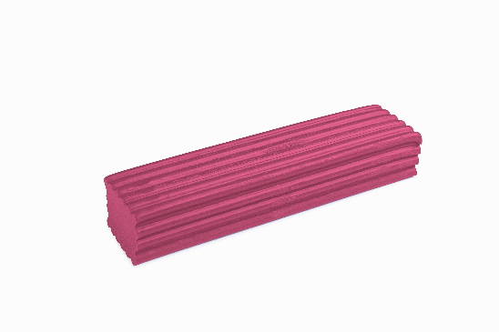
 | Dark Brown | Raw Amber 52/Black 8 | yes | 
 | Yellow neon | Lemone green DS120 / Yellow 2 | yes | 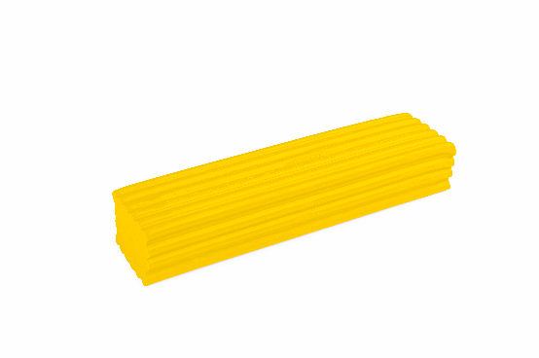
 | Red neon | Golden Yellow 88/cherry pink VS221 | yes | 
 | Green neon | Lime Green 93 /Jungle Green 89 | yes | 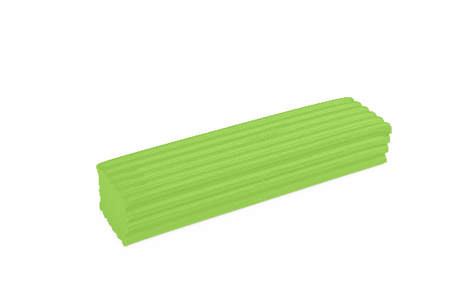
 | Pink neon | Neon cherry pink VS221 | yes | 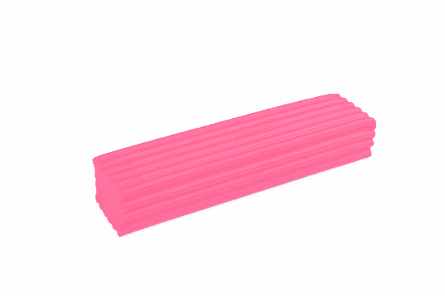
 | Orange neon | Golden Yellow 88/cherry pink VS221 | yes | 
 | purple neon | Neon violet lavender DS40 | yes | 
COLOR CHART/Dough

product name | Color name | color index |  | picture 1 |  |  | color in excal
dough | Yellow | yellow87% | We don't have we need to take a photo
 | Red | red 87% | We don't have we need to take a photo
 | Green | green87% | We don't have we need to take a photo
 | Blue | brilliant blue 87% | We don't have we need to take a photo
 | orange | orange34 | We don't have we need to take a photo
 | Purple | Violet 85% | We don't have we need to take a photo
 | pink | pink85% | We don't have we need to take a photo
 | black | black J317 | We don't have we need to take a photo
 | BROWN | brown 70% | We don't have we need to take a photo
 | white | white | We don't have we need to take a photo
 | blue neon | blue neon | We don't have we need to take a photo
 | yellow neon | yellow neon | We don't have we need to take a photo
 | red neon | red neon | We don't have we need to take a photo
 | orange neon | orange neon | We don't have we need to take a photo
 | green neon | green neon | We don't have we need to take a photo
 | purple neon | purple neon | We don't have we need to take a photo
COLOR CHART/Crayon

product name | Color name | color index |  | picture 1 |  |  | color in excal
Crayon | Yellow 501 | Yellow 14 | yes
 | Red 656 | Red 656 | yes
 | Yellow Green 762S | Yellow Green 762S | yes
 | Blue 849 | Blue 15:1 | yes
 | Orange 701 | Orange 13 | yes
 | Violt403 | Violt403 | yes
 | Green760 | Green760 | yes
 | Pink 208 | Pink 208 | yes
 | Brown 451S | Brown 451S | yes
 | Magenta 671 | Magenta 671 | yes
 | Black Cabot | Black Cabot | yes
 | Blue 833 | Blue 833 | yes
COLOR CHART/Cutting Moulds

product name | Color name | color index |  | picture 1 |  |  | color in excal
Cutting Moulds | Yellow 501 | Yellow 501 | yes | 
 | pink 208 | pink 208 | yes | 
 | blue849 | blue849 | yes | 
 | green762 | green762 | yes | 
 | orange701 | orange701 | yes | 
 | red656 | red656 | yes | 

